Sheet1
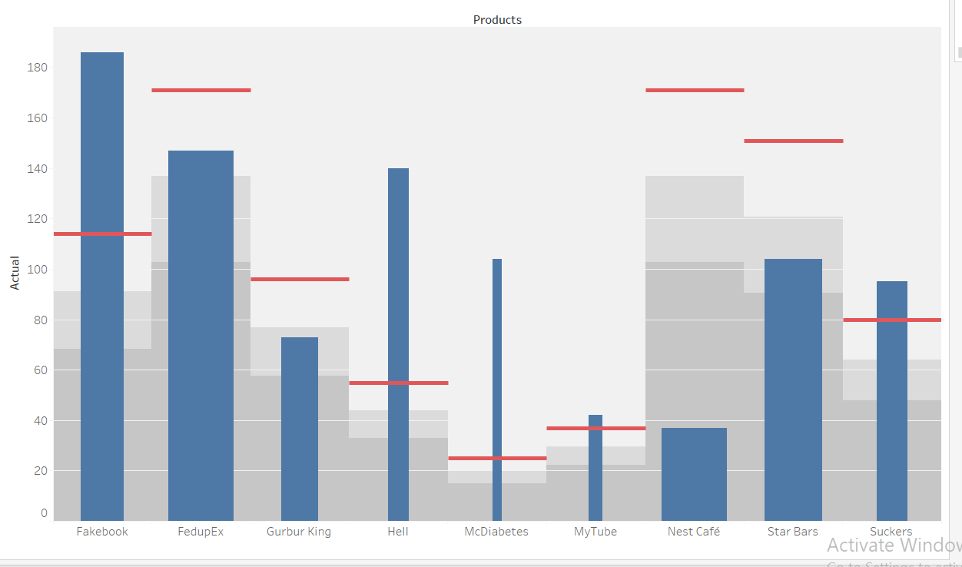
Products | Actual | Target
Star Bars | 104 | 151
Gurbur King | 73 | 96
Suckers | 95 | 80
McDiabetes | 104 | 25
Fakebook | 186 | 114
MyTube | 42 | 37
Hell | 140 | 55
FedupEx | 147 | 171
Nest Café | 37 | 171

